Detailed_process
Step | Input | Description | Details (Screen/ Document/ Video recording Index) | Output | Exception Handling | Possible Actions/ Bot Design Alternatives | Business Rules Translation Table Index
1 | N.A. | Open Chrome |  | N.A. | No Chrome installed | N.A. | N.A.
2 | Global Health Website | Enter the website and login | 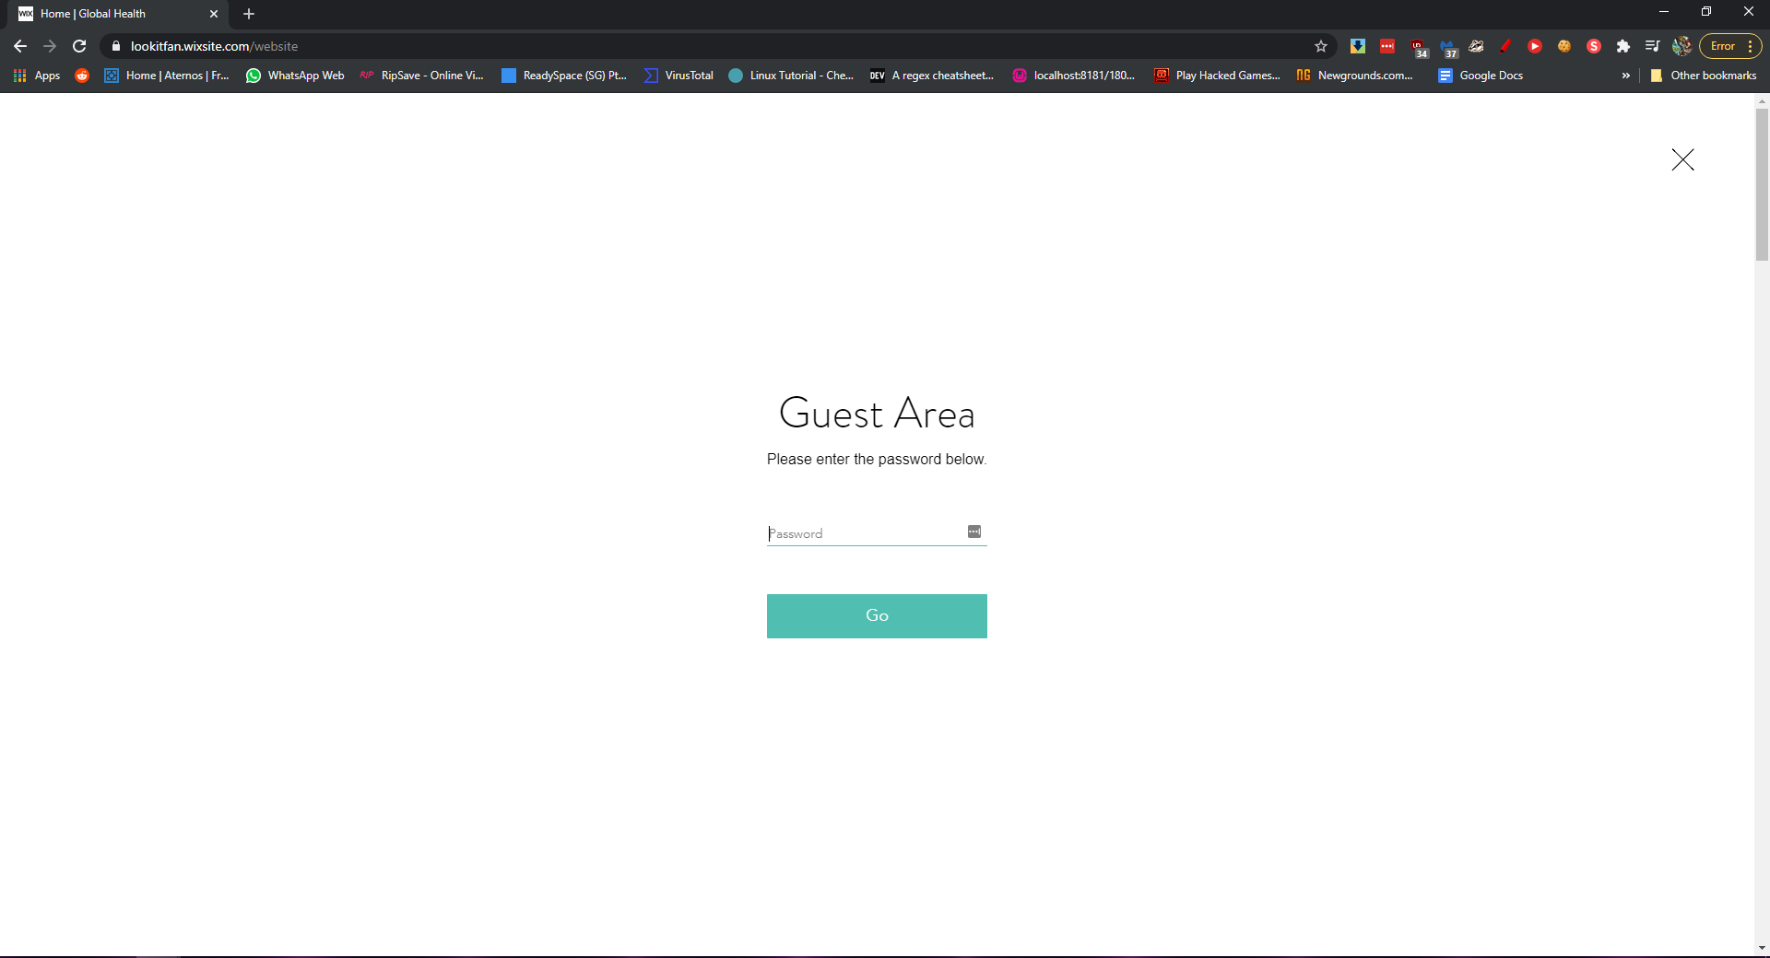 | N.A. | Password Wrong/ No Internet | N.A. | noInternetError
3 | N.A. | Get data from adminstrative portal and copy into an excel sheet | 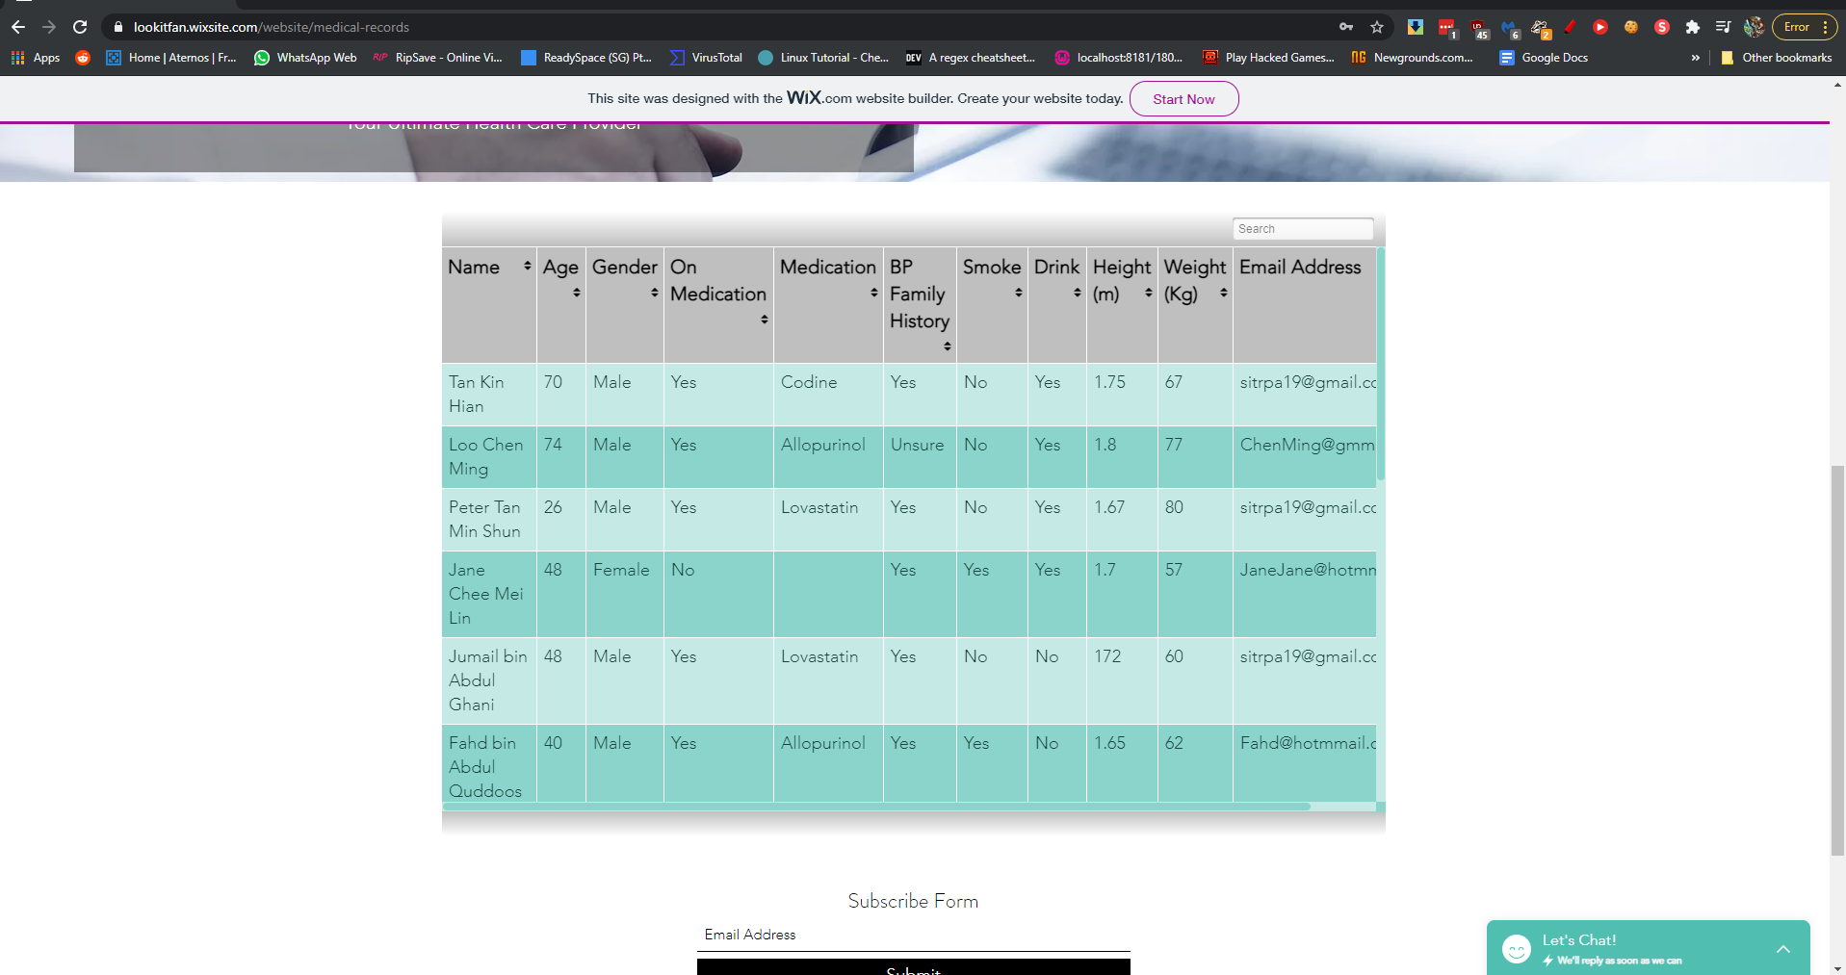 | Excel sheet filled with data | N.A. | Bot will data scrap the table and save into datatable | N.A.
4 | Excel sheet filled with data | Open the Google Form Data Bank Website and Take each customer's data and input into the google sheet | 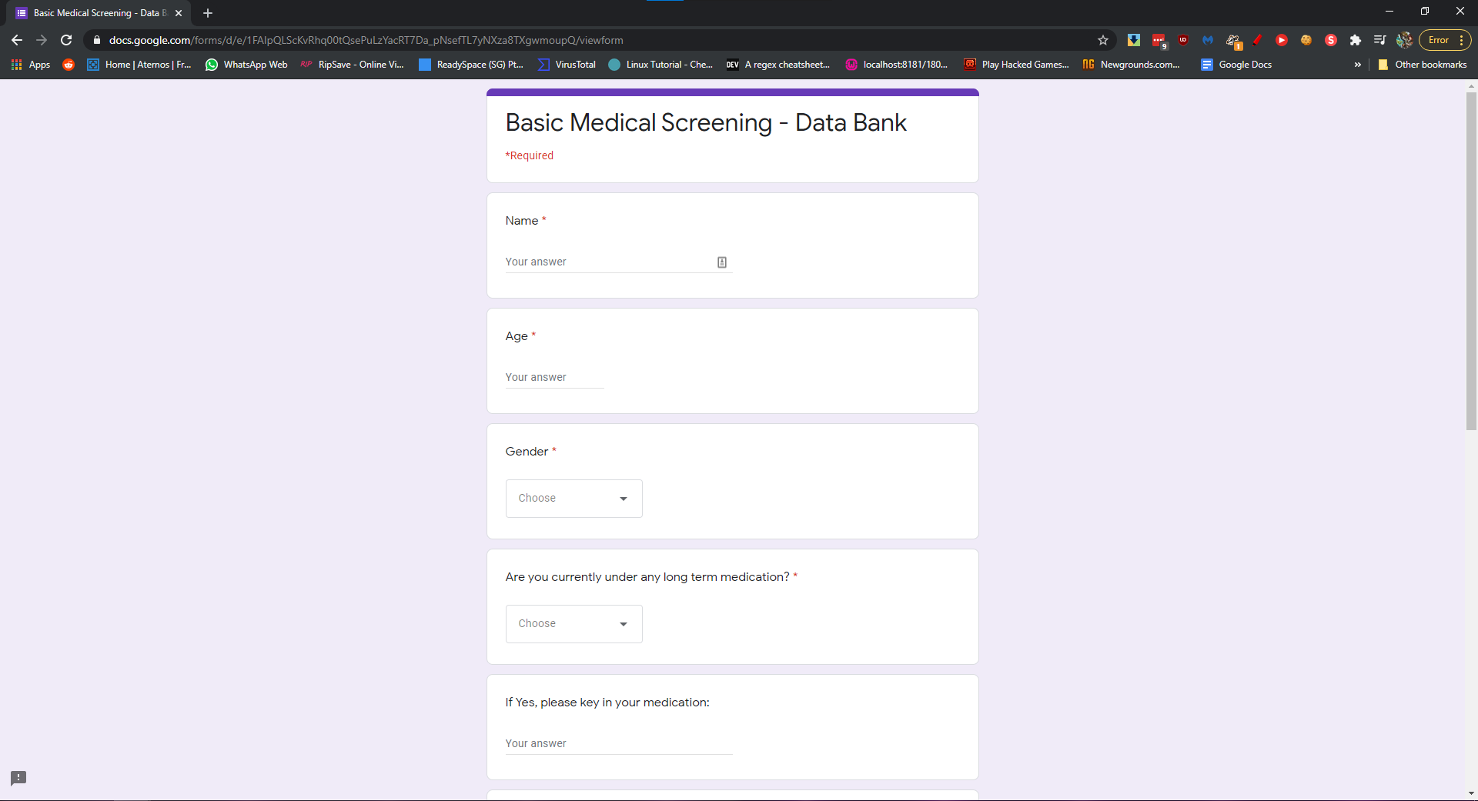 | N.A. | N.A. | Bot gets data from data table and fills the form up for every customer | N.A.
5 | Outlook/Excel sheet filled with data | Send email to customer that are drinkers, smokers and overweight in terms of BMI with attachments | 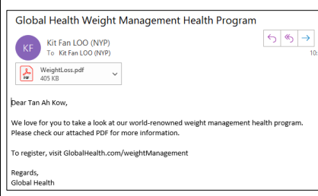 | N.A. | Weight is not a number, height not in metres, email address not valid, age not above 18 | Bot does the validation before sending all customers that are in the smoking, drinking and overweight catergory | N.A.
6
7
8
9
10
11

